Stock Report
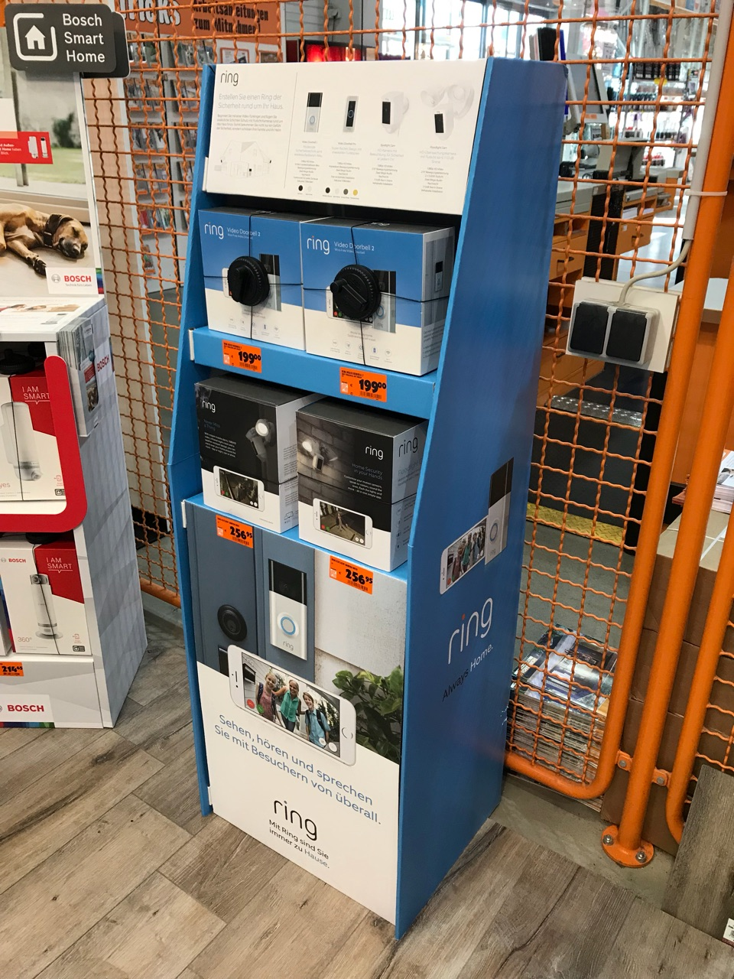
Customer | Product Code | Product Description | EAN | DC | Free | Free Allocated | Free Pending | QC | QC Pending | ASN Total | GRN Total | Open ASN | To Put Away | SO Total | SO Cancelled | Open SOs | Pick | To Dispatch | Dispatched | Dispatched Cancelled | Quarantine | Returns
Ring | BOX_CHIME | RING-10003 - 3A1836M00-JLD-G |  | Seko Almere DC | 968 | 0 | 0 | 0 | 0 | 992 | 968 | 0 | 0 | 0 | 0 | 0 | 0 | 0 | 0 | 0 | 0 | 0
Ring | BOX_CHIMEPRO | RING-10013 - 3A1836L00-JLD-G |  | Seko Almere DC | 152 | 0 | 0 | 0 | 0 | 252 | 252 | 0 | 0 | 100 | 0 | 0 | 0 | 0 | 100 | 0 | 0 | 0
Ring | BOX_FLC_BLACK | RING-10037 - 2540AG650L-A04FX |  | Seko Almere DC | 0 | 0 | 0 | 0 | 0 | 400 | 0 | 0 | 0 | 0 | 0 | 0 | 0 | 0 | 0 | 0 | 0 | 0
Ring | BOX_FLC_WHITE | RING-10037 - 2540AG650L-A05FX |  | Seko Almere DC | 8 | 0 | 0 | 0 | 0 | 858 | 108 | 0 | 0 | 100 | 0 | 0 | 0 | 0 | 100 | 0 | 0 | 0
Ring | BOX_RINGPRO | RING-10026 - 2540AG660L-A05FX |  | Seko Almere DC | 1080 | 0 | 0 | 0 | 0 | 1180 | 1180 | 0 | 0 | 100 | 0 | 0 | 0 | 0 | 100 | 0 | 0 | 0
Ring | BOX_RVD2 | RING-10043 - 3A1838000-JLD-G |  | Seko Almere DC | 1511 | 0 | 0 | 0 | 0 | 1636 | 1611 | 0 | 0 | 100 | 0 | 0 | 0 | 0 | 100 | 0 | 0 | 0
Ring | BOX_SLCB_BLACK | RING-10050 - 3A183AH00-JLD-G |  | Seko Almere DC | 400 | 0 | 0 | 0 | 0 | 400 | 400 | 0 | 0 | 0 | 0 | 0 | 0 | 0 | 0 | 0 | 0 | 0
Ring | BOX_SLCB_BLACK_FR | RING-10050 - 3A183AH00-JLD-G-FR |  | Seko Almere DC | 600 | 0 | 0 | 0 | 0 | 600 | 600 | 0 | 0 | 0 | 0 | 0 | 0 | 0 | 0 | 0 | 0 | 0
Ring | BOX_SLCB_WHITE | RING-10050 - 3A183AE00-JLD-G |  | Seko Almere DC | 99 | 0 | 0 | 0 | 0 | 990 | 99 | 0 | 0 | 0 | 0 | 0 | 0 | 0 | 0 | 0 | 0 | 0
Ring | BOX_SLCB_WHITE_FR | RING-10050 - 3A183AE00-JLD-G-FR |  | Seko Almere DC | 400 | 0 | 0 | 0 | 0 | 400 | 400 | 0 | 0 | 0 | 0 | 0 | 0 | 0 | 0 | 0 | 0 | 0
Ring | BOX_SLCW_WHITE | BOX SPOTLIGHT CAM WIRED WHITE |  | Seko Almere DC | 0 | 0 | 0 | 0 | 0 | 100 | 100 | 0 | 0 | 100 | 0 | 0 | 0 | 0 | 100 | 0 | 0 | 0
Ring | DUMMY-CHIME_PRO | DUMMY Chime ProDummy |  | Seko Almere DC | 450 | 0 | 0 | 0 | 0 | 450 | 450 | 0 | 0 | 0 | 0 | 0 | 0 | 0 | 0 | 0 | 0 | 0
Ring | DUMMY-FLC_BLACK | DUMMY Black Floodlight Cam |  | Seko Almere DC | 119 | 0 | 0 | 0 | 0 | 120 | 119 | 0 | 0 | 0 | 0 | 0 | 0 | 0 | 0 | 0 | 0 | 0
Ring | DUMMY-FLC_WH | DUMMY White Floodlight cams |  | Seko Almere DC | 514 | 0 | 0 | 0 | 0 | 522 | 514 | 0 | 0 | 0 | 0 | 0 | 0 | 0 | 0 | 0 | 0 | 0
Ring | DUMMY-RVD1 | DUMMY RVD1 Satin Nickel |  | Seko Almere DC | 400 | 0 | 0 | 0 | 0 | 400 | 400 | 0 | 0 | 0 | 0 | 0 | 0 | 0 | 0 | 0 | 0 | 0
Ring | DUMMY-RVD2 | DUMMY RVD2 Satin Nickel |  | Seko Almere DC | 230 | 0 | 0 | 0 | 0 | 353 | 299 | 0 | 0 | 69 | 0 | 0 | 0 | 0 | 69 | 0 | 0 | 0
Ring | DUMMY-RVDPRO | DUMMYRVD PRO |  | Seko Almere DC | 450 | 0 | 0 | 0 | 0 | 450 | 450 | 0 | 0 | 0 | 0 | 0 | 0 | 0 | 0 | 0 | 0 | 0
Ring | DUMMY-SLC_BLACK | DUMMY Spotlight- battery black |  | Seko Almere DC | 149 | 0 | 0 | 0 | 0 | 150 | 149 | 0 | 0 | 0 | 0 | 0 | 0 | 0 | 0 | 0 | 0 | 0
Ring | DUMMY-SLC_WHITE | DUMMY Spotlight- battery white |  | Seko Almere DC | 450 | 0 | 0 | 0 | 0 | 450 | 450 | 0 | 0 | 0 | 0 | 0 | 0 | 0 | 0 | 0 | 0 | 0
Ring | DUMMY-SLC-WIRED-WHITE | DUMMY STICK UP CAM WIRED |  | Seko Almere DC | 0 | 0 | 0 | 0 | 0 | 75 | 75 | 0 | 0 | 75 | 0 | 0 | 0 | 0 | 75 | 0 | 0 | 0
Ring | DUMMY-STUC-BATTERY-WHITE | Stick Up Cam Battery White |  | Seko Almere DC | 176 | 0 | 0 | 0 | 0 | 176 | 176 | 0 | 0 | 0 | 0 | 0 | 0 | 0 | 0 | 0 | 0 | 0
Ring | DUMMY-STUC-WIRED-WHITE | Stick Up Cam Wired White |  | Seko Almere DC | 270 | 0 | 0 | 0 | 0 | 300 | 270 | 0 | 0 | 0 | 0 | 0 | 0 | 0 | 0 | 0 | 0 | 0
Ring | DUMMY-SUCB_BLACK | DUMMY STICK UP CAM BLACK |  | Seko Almere DC | 40 | 0 | 0 | 0 | 0 | 300 | 300 | 0 | 0 | 260 | 0 | 0 | 0 | 0 | 260 | 0 | 0 | 0
Ring | DUMMY-SUCB_WHITE | Dummy SUC Battery White |  | Seko Almere DC | 250 | 0 | 0 | 0 | 0 | 250 | 250 | 0 | 0 | 0 | 0 | 0 | 0 | 0 | 0 | 0 | 0 | 0
Ring | DUMMY-SUCW_WHITE | Dummy SUC Wired White |  | Seko Almere DC | 250 | 0 | 0 | 0 | 0 | 250 | 250 | 0 | 0 | 0 | 0 | 0 | 0 | 0 | 0 | 0 | 0 | 0
Ring | GPA-DF-RG180008RG-1 | Dummy Units |  | Seko Almere DC | 0 | 0 | 0 | 0 | 0 | 0 | 0 | 0 | 0 | 0 | 0 | 0 | 0 | 0 | 0 | 0 | 0 | 0
Ring | POS001-FR | Ring POS display France |  | Seko Almere DC | 2 | 0 | 0 | 0 | 0 | 2 | 2 | 0 | 0 | 0 | 0 | 0 | 0 | 0 | 0 | 0 | 0 | 0
Ring | RING_DS17004_DE | DS17004 - Light Box POS (Conrad) |  | Seko Almere DC | 2 | 0 | 0 | 0 | 0 | 3 | 3 | 0 | 0 | 1 | 0 | 0 | 0 | 0 | 1 | 0 | 0 | 0
Ring | RING_DS17041_DE | Saturn 50cm display |  | Seko Almere DC | 108 | 0 | 0 | 0 | 0 | 187 | 186 | 0 | 0 | 78 | 0 | 0 | 0 | 0 | 78 | 0 | 0 | 0
Ring | RING_DS17042_DE | Saturn Display 1m |  | Seko Almere DC | 109 | 0 | 0 | 0 | 0 | 123 | 123 | 0 | 0 | 14 | 0 | 0 | 0 | 0 | 14 | 0 | 0 | 0
Ring | RING_DS17048_DE | 2ft POS component |  | Seko Almere DC | 0 | 0 | 0 | 0 | 0 | 20 | 0 | 0 | 0 | 0 | 0 | 0 | 0 | 0 | 0 | 0 | 0 | 0
Ring | RING_DS17048_DE OR RING_DS17050_DE | 3ft POS component |  | Seko Almere DC | 0 | 0 | 0 | 0 | 0 | 30 | 0 | 0 | 0 | 0 | 0 | 0 | 0 | 0 | 0 | 0 | 0 | 0
Ring | RING_DS18007_DE_HOOK | Elkjop Display Danish (with hook) |  | Seko Almere DC | 1 | 0 | 0 | 0 | 0 | 1 | 1 | 0 | 0 | 0 | 0 | 0 | 0 | 0 | 0 | 0 | 0 | 0
Ring | RING_DS18007_FI_HOOK | Elkjop Display Finnish (with hook) |  | Seko Almere DC | 2 | 0 | 0 | 0 | 0 | 2 | 2 | 0 | 0 | 0 | 0 | 0 | 0 | 0 | 0 | 0 | 0 | 0
Ring | RING_DS18007_FI_NOHOOK | Elkjop Display Finnish (without hook) |  | Seko Almere DC | 2 | 0 | 0 | 0 | 0 | 2 | 2 | 0 | 0 | 0 | 0 | 0 | 0 | 0 | 0 | 0 | 0 | 0
Ring | RING_DS18007_SE_NOHOOK | Elkjop Display Swedish (without hook) |  | Seko Almere DC | 5 | 0 | 0 | 0 | 0 | 6 | 6 | 0 | 0 | 1 | 0 | 0 | 0 | 0 | 1 | 0 | 0 | 0
Ring | Ring_hoodie_grey_L | Ring_hoodie_grey_L |  | Seko Almere DC | 59 | 0 | 0 | 0 | 0 | 62 | 62 | 0 | 0 | 3 | 0 | 0 | 0 | 0 | 3 | 0 | 0 | 0
Ring | Ring_hoodie_grey_M | Ring_hoodie_grey_M |  | Seko Almere DC | 63 | 0 | 0 | 0 | 0 | 66 | 66 | 0 | 0 | 3 | 0 | 0 | 0 | 0 | 3 | 0 | 0 | 0
Ring | Ring_hoodie_grey_S | Ring_hoodie_grey_S |  | Seko Almere DC | 33 | 0 | 0 | 0 | 0 | 36 | 36 | 0 | 0 | 3 | 0 | 0 | 0 | 0 | 3 | 0 | 0 | 0
Ring | Ring_jacket_grey_xs | Ring_jacket_grey_xs |  | Seko Almere DC | 13 | 0 | 0 | 0 | 0 | 13 | 13 | 0 | 0 | 0 | 0 | 0 | 0 | 0 | 0 | 0 | 0 | 0
Ring | RING_MINIDISPLAY_DE_NODUMMY | Ring Mini-POS Germany (without Dummy) |  | Seko Almere DC | 88 | 0 | 0 | 0 | 0 | 89 | 88 | 0 | 0 | 0 | 0 | 0 | 0 | 0 | 0 | 0 | 0 | 0
Ring | RING_MINIDISPLAY_DE_WITHDUMMY | Ring Mini-POS Germany (with Dummy) |  | Seko Almere DC | 189 | 0 | 0 | 0 | 0 | 188 | 189 | 0 | 0 | 0 | 0 | 0 | 0 | 0 | 0 | 0 | 0 | 0
Ring | RING_MINIDISPLAY_WSCREEN_NL | Ring Mini-POS (NL) |  | Seko Almere DC | 10 | 0 | 0 | 0 | 0 | 10 | 10 | 0 | 0 | 0 | 0 | 0 | 0 | 0 | 0 | 0 | 0 | 0
Ring | Ring_tshirt_blue_L | Ring_tshirt_blue_L |  | Seko Almere DC | 18 | 0 | 0 | 0 | 0 | 18 | 18 | 0 | 0 | 0 | 0 | 0 | 0 | 0 | 0 | 0 | 0 | 0
Ring | Ring_tshirt_blue_M | Ring_tshirt_blue_M |  | Seko Almere DC | 64 | 0 | 0 | 0 | 0 | 83 | 83 | 0 | 0 | 19 | 0 | 0 | 0 | 0 | 19 | 0 | 0 | 0
Ring | Ring_tshirt_blue_S | Ring_tshirt_blue_S |  | Seko Almere DC | 25 | 0 | 0 | 0 | 0 | 37 | 37 | 0 | 0 | 12 | 0 | 0 | 0 | 0 | 12 | 0 | 0 | 0
Ring | Ring_tshirt_blue_XS | Ring_tshirt_blue_XS |  | Seko Almere DC | 13 | 0 | 0 | 0 | 0 | 15 | 15 | 0 | 0 | 2 | 0 | 0 | 0 | 0 | 2 | 0 | 0 | 0
Ring | Ring_tshirt_grey_L | Ring_tshirt_grey_L |  | Seko Almere DC | 50 | 0 | 0 | 0 | 0 | 61 | 61 | 0 | 0 | 11 | 0 | 0 | 0 | 0 | 11 | 0 | 0 | 0
Ring | Ring_tshirt_grey_M | Ring_tshirt_grey_M |  | Seko Almere DC | 59 | 0 | 0 | 0 | 0 | 69 | 69 | 0 | 0 | 10 | 0 | 0 | 0 | 0 | 10 | 0 | 0 | 0
Ring | Ring_tshirt_grey_S | Ring_tshirt_grey_S |  | Seko Almere DC | 39 | 0 | 0 | 0 | 0 | 49 | 49 | 0 | 0 | 10 | 0 | 0 | 0 | 0 | 10 | 0 | 0 | 0
Ring | Ring_tshirt_grey_XS | Ring_tshirt_grey_XS |  | Seko Almere DC | 1 | 0 | 0 | 0 | 0 | 1 | 1 | 0 | 0 | 0 | 0 | 0 | 0 | 0 | 0 | 0 | 0 | 0
Ring | Ring_tshirt_white_L | Ring_tshirt_white_L |  | Seko Almere DC | 31 | 0 | 0 | 0 | 0 | 31 | 31 | 0 | 0 | 0 | 0 | 0 | 0 | 0 | 0 | 0 | 0 | 0
Ring | Ring_tshirt_white_M | Ring_tshirt_white_M |  | Seko Almere DC | 78 | 0 | 0 | 0 | 0 | 88 | 88 | 0 | 0 | 10 | 0 | 0 | 0 | 0 | 10 | 0 | 0 | 0
Ring | Ring_tshirt_white_S | Ring_tshirt_white_S |  | Seko Almere DC | 35 | 0 | 0 | 0 | 0 | 45 | 45 | 0 | 0 | 10 | 0 | 0 | 0 | 0 | 10 | 0 | 0 | 0
Ring | Ring_tshirt_white_XS | Ring_tshirt_white_XS |  | Seko Almere DC | 1 | 0 | 0 | 0 | 0 | 1 | 1 | 0 | 0 | 0 | 0 | 0 | 0 | 0 | 0 | 0 | 0 | 0
Ring | RING-DS18048A_metal only | Small size_only metal&electronics |  | Seko Almere DC | 28 | 0 | 0 | 0 | 0 | 28 | 28 | 0 | 0 | 0 | 0 | 0 | 0 | 0 | 0 | 0 | 0 | 0
Ring | RING-DS18048B | 2FT EU fixture |  | Seko Almere DC | 2 | 0 | 0 | 0 | 0 | 2 | 2 | 0 | 0 | 0 | 0 | 0 | 0 | 0 | 0 | 0 | 0 | 0
Ring | RING-DS18050_metal | Mid size EU fixture_only metal&electronics |  | Seko Almere DC | 40 | 0 | 0 | 0 | 0 | 40 | 40 | 0 | 0 | 0 | 0 | 0 | 0 | 0 | 0 | 0 | 0 | 0
Ring | RING-DS18051 | Large Format EU fixture_Sweden version |  | Seko Almere DC | 1 | 0 | 0 | 0 | 0 | 29 | 29 | 0 | 0 | 28 | 0 | 0 | 0 | 0 | 28 | 0 | 0 | 0
...
Customer | Product Code | Product Description | EAN | DC | Free | Free Allocated | Free Pending | QC | QC Pending | ASN Total
 | DS 17010 | components for Switserland 3 ft fixture | 30 | RING_DS17010_DE | 3 ft fixture components German for Switserland |  | german language inside | in the display list I mentioned them, I didn't specify DE though but these are the same
 | DS 17038 | components for switserland 2 ft fixture | 20 | RING_DS17038_DE | 2 ft fixture components German for Switserland |  | german language inside | in the display list I mentioned them, I didn't specify DE though but these are the same
 | floodlight cam | white dummy ( dach / austria hornbach arvato ) | 109 | DUMMY-FLC_WH | DUMMY White Floodlight cams
 | ywc17-1210 / ywc17-1298 | ring-10001 sleeve / ring-10001 box | 306 | SLEEVE_BOX_RVD | Dummy packaging: sleeve & box for Video Doorbell | @Seko, is this a complete dummy packaging kit? Both Sleeve & box? | yes sleeve and box for video doorbell
 | doorbell 2 display | french X1 | 9 | RING_MINIDISPLAY_WSCREEN_FR | Ring Mini-POS (DE) |  |  | they are the MINI DISPLAY like the German ones, RING_MINIDISPLAY_WSCREEN_FR

